Chi-square random numbers
 | Chi-squared test using random number generator

A computer generated 10,000 random numbers. The last digit of these numbers has the frequency distribution below

Ho: The random number generator is "fair"; i.e., has an equal probability of generating any of the 10 digits, 0-9.

 | Digit | Observed frequency | Expected frequency | (O-E)^2/E
 | 0 | 1010 | 1000 | 0.10
 | 1 | 990 | 1000 | 0.10
 | 2 | 990 | 1000 | 0.10
 | 3 | 960 | 1000 | 1.60
 | 4 | 1020 | 1000 | 0.40
 | 5 | 1000 | 1000 | 0.00
 | 6 | 1000 | 1000 | 0.00
 | 7 | 1030 | 1000 | 0.90
 | 8 | 1020 | 1000 | 0.40
 | 9 | 980 | 1000 | 0.40
 | Total | 10000
 |  | Chi-squared c2 |  | 4.00 | 3
 |  | No. degrees freedom n |  | 9 | 9

 |  |  | p(c2,n) | FALSE | 0.96429497269

We can accept Ho at the 91% probability level. Had c2 been 3.00, we could have accepted Ho at greater than the 95% confidence level.

NB: Use CHISQ.DIST.RT('chisquared', 'degrees freedom')

Chisquare 5 GHz Radio
Number of faint radio sources at 5 GHz frequency at various fluxes in a survey

Ho: The observations are well fit by the model (expected) distribution

 | Use the chi-squared statistical test to evaluate the null hypothesis.

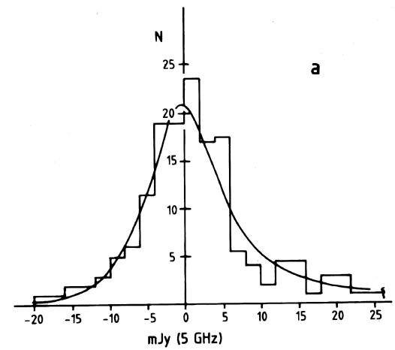
 | f(mJy @ 5 GHz) | N(obs) | N(model)
 | -19 | 1 | 0.25
 | -17 | 1 | 0.5
 | -15 | 2 | 1
 | -13 | 2 | 2
 | -11 | 3 | 3
 | -9 | 5 | 5
 | -7 | 6 | 8
 | -5 | 12 | 12
 | -3 | 19 | 17
 | -1 | 19 | 21
 | 1 | 23 | 20
 | 3 | 17 | 16
 | 5 | 18 | 12
 | 7 | 5 | 8
 | 9 | 4 | 6
 | 11 | 2 | 4
 | 13 | 3 | 3 |  | One should not perform a chi-squared test using bins that have fewer than about 5 objects (or fewer than 3 bins). The following data then require a re-binning to perform the test.
 | 15 | 5 | 2.5
 | 17 | 1 | 2
 | 19 | 3 | 2
 | 21 | 3 | 1.5
 | 23 | 1 | 1
 | total | 155 | 147.75

(Re)bin | flux | Nobs | Nexp | Nexp' |  | O-E | (O-E)^2/E | chi2 | 6.4804041991
1 | -15 | 9 | 6.75 | 7.08 |  | 1.92 | 0.52
2 | -8 | 11 | 13 | 13.64 |  | -2.64 | 0.51 | n | 10
3 | -5 | 12 | 12 | 12.59 |  | -0.59 | 0.03
4 | -3 | 19 | 17 | 17.83 |  | 1.17 | 0.08 | p | 0.77341746115
5 | -1 | 19 | 21 | 22.03 |  | -3.03 | 0.42
6 | 1 | 23 | 20 | 20.98 |  | 2.02 | 0.19 | In actual fact, the "expected distribution" required two fitting parameters. This leaves n = 10-2=8.
7 | 3 | 17 | 16 | 16.79 |  | 0.21 | 0.00
8 | 5 | 18 | 12 | 12.59 |  | 5.41 | 2.33
9 | 8 | 9 | 14 | 14.69 |  | -5.69 | 2.20
10 | 13 | 10 | 9.5 | 9.97 |  | 0.03 | 0.00
11 | 20 | 8 | 6.5 | 6.82 |  | 1.18 | 0.20
 | total | 155 | 147.75 | 155
 |  |  |  |  |  |  |  | n | 8
 |  |  |  |  |  |  |  | p | 0.59358202913

The results show that we can accept the hypothesis that the model distribution fits the observed distribution at the 60% confidence level. This does not show a high confidence in model acceptance.

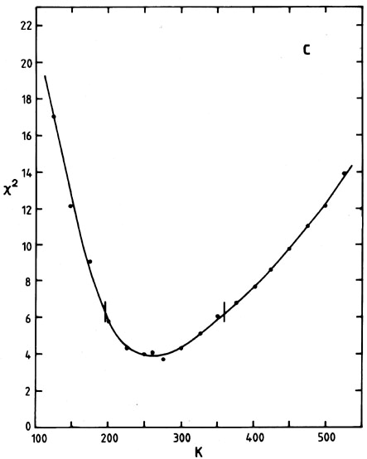
A frequent technique used in model-fitting in astronomy is to compute a chi-square "surface"; that is, calculate a series of chi-squares for a series of input parameters and adopt as the best fit the model parameters yielding the smallest value of chi-squared. The model describing the radio sources above included the temperature of the sources as an input parameter. Here, one can see a minimum value of chi-squared for a temperature of around 260 K.

